Declaration
 |  | Additional Minerals Reporting Template (AMRT)
 | 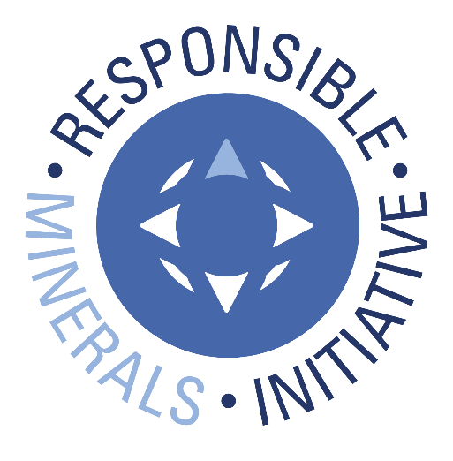 Select Language Preference Here: 请选择你的语言: 사용할 언어를 선택하시오 : 表示言語をここから選択してください: Sélectionner la langue préférée ici: Wählen sie hier die Sprache: | English |  | Revision 1.31 April 17, 2026
 | The purpose of this document is to collect sourcing information on minerals/metals used in products.
A
 | Mandatory fields are noted with an asterisk (*). Consult the instructions tab for guidance on how to answer each question.
 | Company Information
 | Company Name (*): | Lackwerke Peters GmbH & Co KG
 | Declaration Scope or Class (*): | A. Company
 | Description of Scope:

 | Select Minerals/Metals in Scope (up to a maximum of 10)(*): This Declaration can include up to 10 minerals or metals. If mineral or metal doesn't appear on the list, select "Other". | Rare Earth Elements

 | Note: The minerals entered here are reflected in questions 1-2 and will be sorted in alphabetical order. Please ensure that the answers match the intended minerals.
 | If you selected "Other" in previous question, please specify which other minerals/metals are in scope:

 | Company Unique ID: | VAT ID: DE120005212
 | Company Unique ID Authority:
 | Address: | Hooghe Weg 23, 47906 Kempen, Germany
 | Contact Name (*): | Tilman Sehlen
 | Email – Contact (*): | peters@peters.de
 | Phone – Contact (*): | ++49-2152-2009-0
 | Authorizer (*): | Detlev Schucht
 | Title - Authorizer: | Head of R&D
 | Email - Authorizer (*): | peters@peters.de
 | Phone - Authorizer: | ++49-2152-2009-0
 | Effective Date (*): | 30-Jul-2026

 | Answer the following questions 1 - 2 based on the declaration scope indicated above
 | 1) Is any of the following minerals or metals intentionally added or used in the product(s) or in the production process? (*) | Answer | Comments
 | Rare Earth Elements(*) | No

 | 2) What percentage of relevant suppliers have provided a response to your supply chain survey? | Answer | Comments
 | Rare Earth Elements

 | © 2026 Responsible Minerals Initiative. All rights reserved.

Smelter List
 | TO BEGIN:
 | Option A: If you know the Smelter Identification Number, input the number in Column A (columns B, C, E, F, G, I and J will auto-populate); D will grey out. Option B: If you have a Metal and Smelter Look-up name combination, complete the following steps: Step 1. Select Metal in column B Step 2. Select from dropdown in column C Option C: If you have minerals and Smelter Name combination, complete the following steps: Step 1. Select Minerals in column B Step 2: Select "Smelter Not Listed" in the Smelter Look-up drop down and complete columns D & E Step 3. Enter all available smelter information in columns H through Q (*) Mandatory fields are noted with an asterisk. (1) Entry required when Smelter Look-up = "Smelter Not Listed" NOTE: A combination of Options A, B and C may be used to complete the Smelter List. Do not alter autopopulated cells. All errors in the Smelter Look-up should be reported to RBA by contacting RMI@ResponsibleBusiness.org. |  |  | 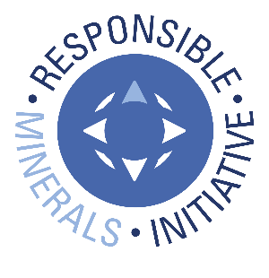 © 2026 Responsible Minerals Initiative. All rights reserved. |  |  |  |  |  |  |  |  |  |  |  | Revision 1.31 April 17, 2026
Smelter Identification Number Input Column | Metal (*) | Smelter Look-up (*) | Smelter Name (*) | Smelter Country (*) | Smelter Identification | Source of Smelter Identification Number | Smelter Street | Smelter City | Smelter Facility Location: State / Province | Smelter Contact Name | Smelter Contact Email | Proposed next steps | Name of Mine(s) or if recycled or scrap sourced, enter "recycled" or "scrap" | Location (Country) of Mine(s) or if recycled or scrap sourced, enter "recycled" or "scrap" | Does 100% of the smelter’s feedstock originate from recycled or scrap sources? | Comments
...

